CPUC IRP proceeding
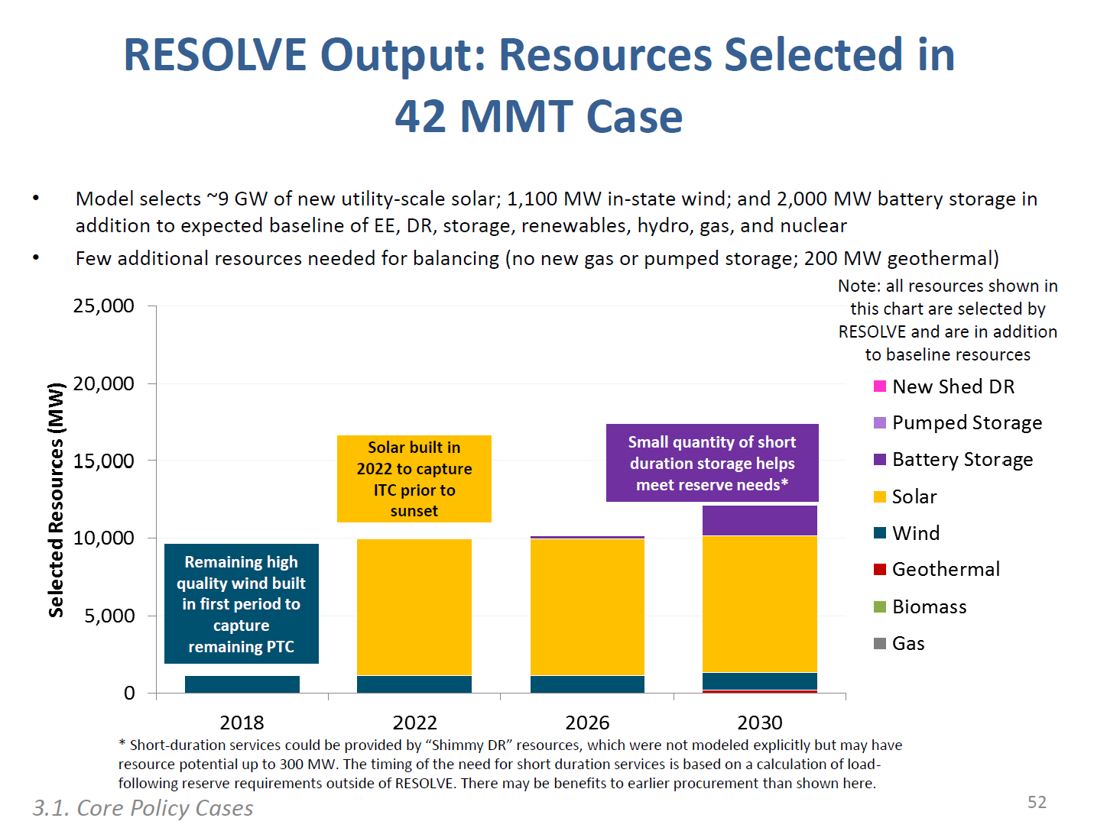
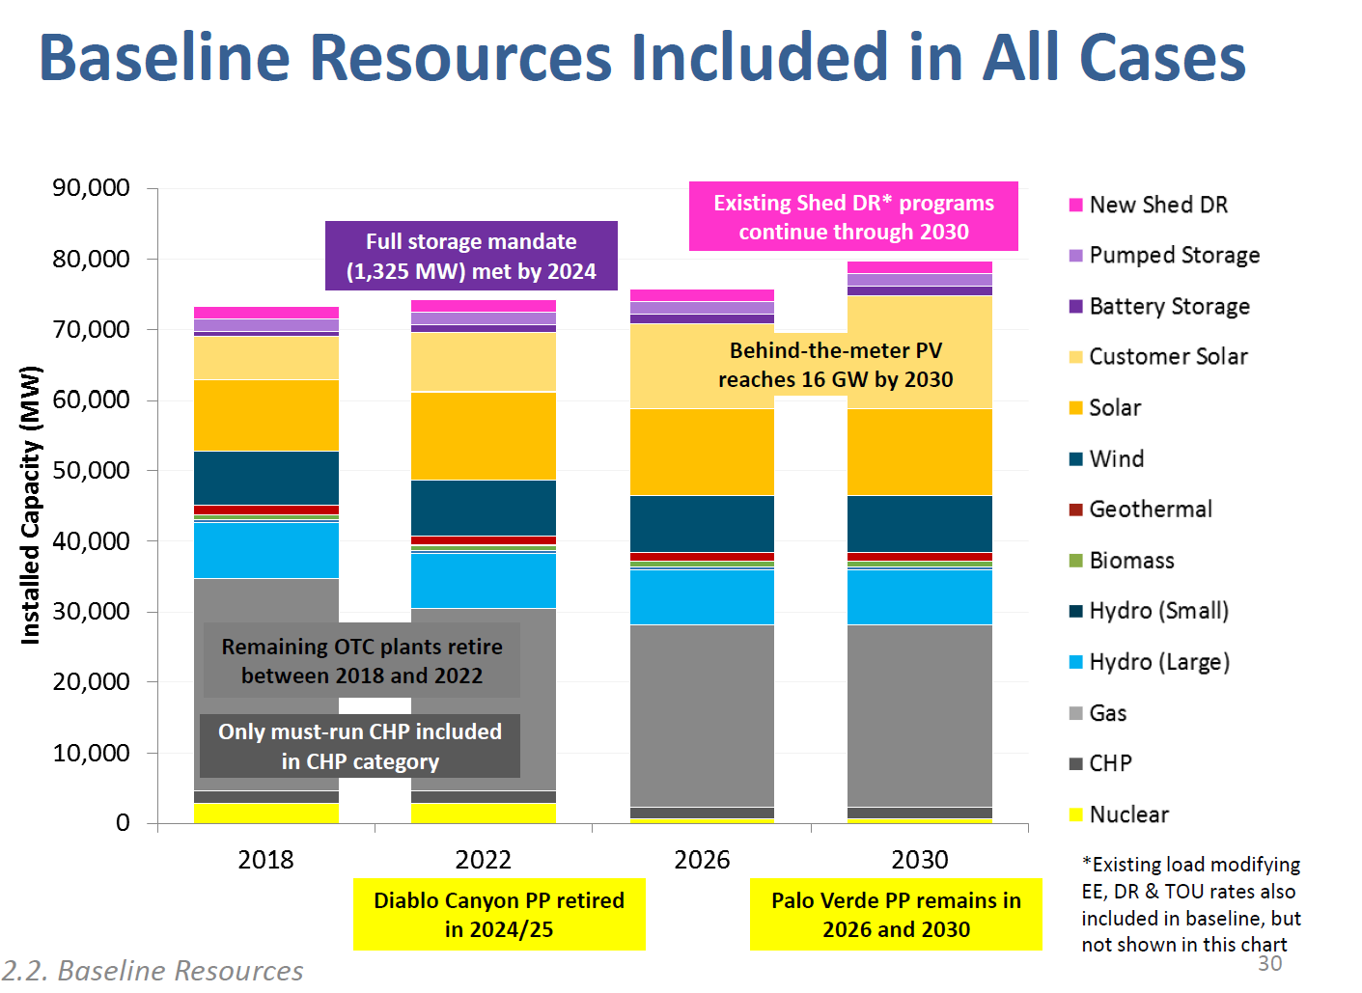
To meet the current requirements, commensurate with 60% RPs, CPUC shows
the main flexibility resource increase comes in the form of battery storage.

Almost all of new storage is added after 2026.
Estimated addition in 2026 as five percent of total | 5%

E3 Data
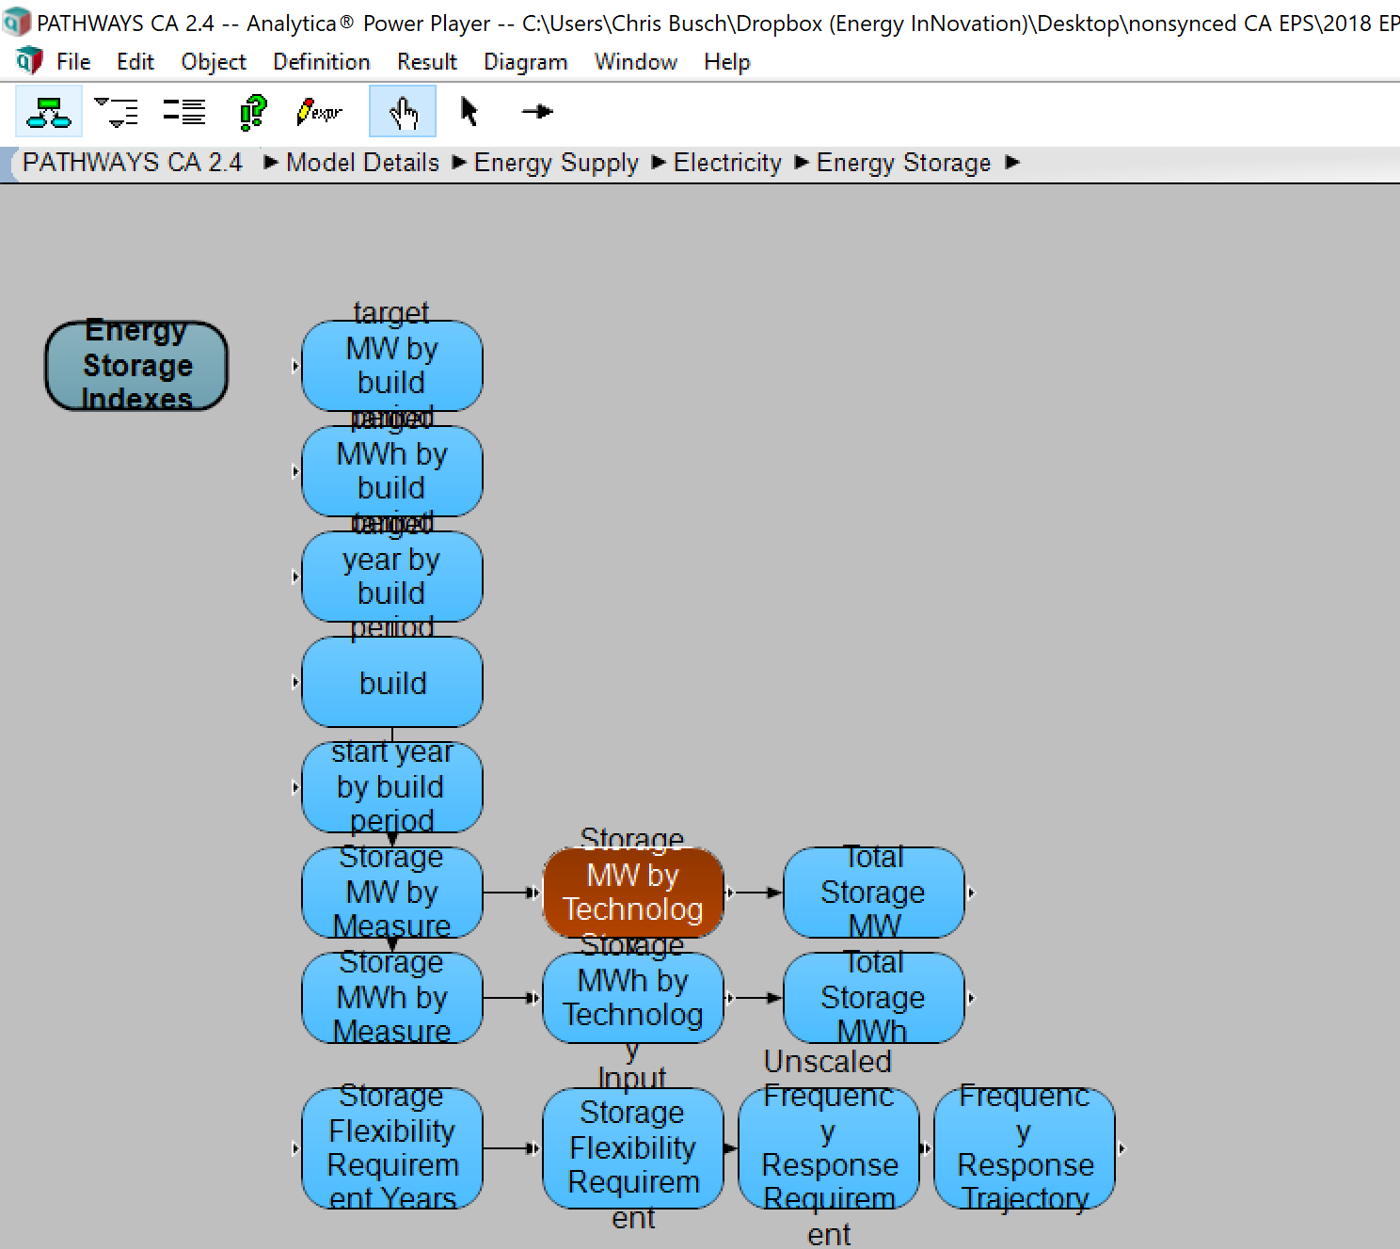
 | 2010 | 2011 | 2012 | 2013 | 2014 | 2015 | 2016 | 2017 | 2018 | 2019 | 2020 | 2021 | 2022 | 2023 | 2024 | 2025 | 2026 | 2027 | 2028 | 2029 | 2030 | 2031 | 2032 | 2033 | 2034 | 2035 | 2036 | 2037 | 2038 | 2039 | 2040 | 2041 | 2042 | 2043 | 2044 | 2045 | 2046 | 2047 | 2048 | 2049 | 2050
Pumped Hydro | 0 | 2427 | 2427 | 2427 | 2427 | 2427 | 2427 | 2427 | 2427 | 2427 | 2427 | 2427 | 2427 | 2427 | 2427 | 2427 | 2427 | 2427 | 2427 | 2427 | 2427 | 2427 | 2427 | 2427 | 2427 | 2427 | 2427 | 2427 | 2427 | 2427 | 2427 | 2427 | 2427 | 2427 | 2427 | 2427 | 2427 | 2427 | 2427 | 2427 | 2427
2-hr Batteries | 0 | 0 | 0 | 0 | 0 | 88.333333333 | 176.66666667 | 265 | 353.33333333 | 441.66666667 | 530 | 530 | 530 | 530 | 530 | 530 | 530 | 530 | 530 | 530 | 530 | 530 | 530 | 530 | 530 | 530 | 530 | 530 | 530 | 530 | 530 | 530 | 530 | 530 | 530 | 530 | 530 | 530 | 530 | 530 | 530
5-hr Batteries | 0 | 0 | 0 | 0 | 0 | 88.333333333 | 176.66666667 | 265 | 353.33333333 | 441.66666667 | 530 | 530 | 530 | 530 | 530 | 530 | 530 | 530 | 530 | 530 | 530 | 530 | 530 | 530 | 530 | 530 | 530 | 530 | 530 | 530 | 530 | 530 | 530 | 530 | 530 | 530 | 530 | 530 | 530 | 530 | 530
8-hr Flow Batteries | 0 | 0 | 0 | 0 | 0 | 44.166666667 | 88.333333333 | 132.5 | 176.66666667 | 220.83333333 | 265 | 265 | 265 | 265 | 265 | 265 | 265 | 265 | 265 | 265 | 265 | 265 | 265 | 265 | 265 | 265 | 265 | 265 | 265 | 265 | 265 | 265 | 265 | 265 | 265 | 265 | 265 | 265 | 265 | 265 | 265
Total | 0 | 2427 | 2427 | 2427 | 2427 | 2647.8333333 | 2868.6666667 | 3089.5 | 3310.3333333 | 3531.1666667 | 3752 | 3752 | 3752 | 3752 | 3752 | 3752 | 3752 | 3752 | 3752 | 3752 | 3752 | 3752 | 3752 | 3752 | 3752 | 3752 | 3752 | 3752 | 3752 | 3752 | 3752 | 3752 | 3752 | 3752 | 3752 | 3752 | 3752 | 3752 | 3752 | 3752 | 3752

Battery subtotal |  |  |  |  |  |  |  |  | 3310.3333333 | 3531.1666667 | 3752 | 3752 | 3752 | 3752 | 3752 | 3752 | 3752 | 3752 | 3752 | 3752 | 3752 | 3752 | 3752 | 3752 | 3752 | 3752 | 3752 | 3752 | 3752 | 3752 | 3752 | 3752 | 3752 | 3752 | 3752 | 3752 | 3752 | 3752 | 3752 | 3752 | 3752

Here is where the data come from in the Pathways model

Calculations
 | Existing increment |  | Procured increment |  | New increment planned | total | Total additions expected above initial storage mandate.
Year | IOU | POU | IOU | POU |  |  | 2000
2015 | 73.5 | 0 |  |  |  | 73.5
2016 | 73.5 | 0 |  |  |  | 73.5 | Allocate 2027-2030 based on assumption that 5% of additional installed in 2026 and linear thereafter.
2017 | 103.5 | 59 |  |  |  | 73.5 | 95% allocated equally over 4 years | 0.2375
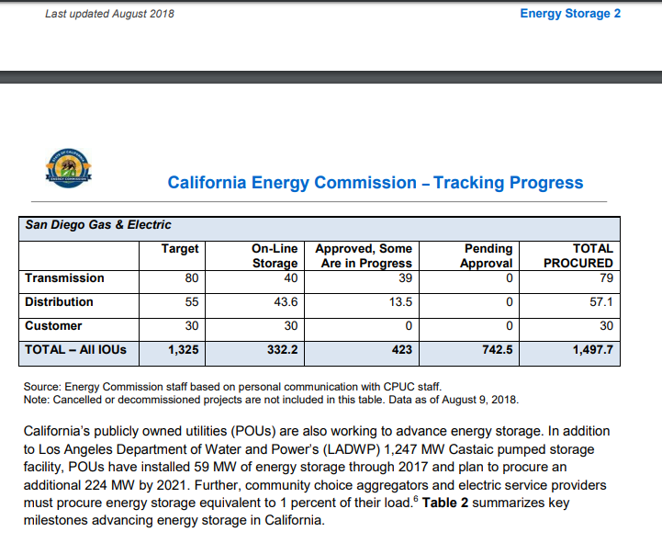
2018 | 228.7 | 0 |  |  |  | 73.5
2019 | 332.2 | 0 | 291.375 | 56 |  | 420.875
2020 | 0 | 0 | 291.375 | 112 |  | 824.25 |  |  |  |  |  | Row Labels | 2018 | 2022 | 2026 | 2030
2021 | 0 | 0 | 291.375 | 168 |  | 1283.625 |  |  |  |  |  | Curtaliment Rate (Utility PV) | 0.0015758435286 | 0.033890439577 | 0.039704697358 | 0.067370584924
2022 | 0 | 0 | 291.375 | 224 |  | 1799
2023 | 0 | 0 |  |  |  | 1799
2024 | 0 | 0 |  |  |  | 1799
2025 | 0 | 0 |  |  |  | 1799
2026 | 0 | 0 |  |  | 100 | 1899
2027 | 0 | 0 |  |  | 475 | 2374
2028 | 0 | 0 |  |  | 475 | 2849
2029 | 0 | 0 |  |  | 475 | 3324
2030 | 0 | 0 |  |  | 475 | 3799
2031 | 0 | 0 |  |  |  | 3799
2032 | 0 | 0 |  |  |  | 3799
2033 | 0 | 0 |  |  |  | 3799
2034 | 0 | 0 |  |  |  | 3799
2035 | 0 | 0 |  |  |  | 3799
2036 | 0 | 0 |  |  |  | 3799 | Quote from tracking progress page 6:
2037 | 0 | 0 |  |  |  | 3799 | Through June 2017, stationary battery energy storage systems totaled 177 MW in California (a 30 MW increase from 2016)
2038 | 0 | 0 |  |  |  | 3799
2039 | 0 | 0 |  |  |  | 3799 | California’s publicly owned utilities (POUs) are also working to advance energy storage. In addition to Los Angeles Department of Water and Power’s (LADWP) 1,247 MW Castaic pumped storage facility,
2040 | 0 | 0 |  |  |  | 3799
2041 | 0 | 0 |  |  |  | 3799 | POUs have installed 59 MW of energy storage through 2017 and plan to procure an additional 224 MW by 2021.
2042 | 0 | 0 |  |  |  | 3799 | POU additions | 224
2043 | 0 | 0 |  |  |  | 3799 | Total planned for POU | 283
2044 | 0 | 0 |  |  |  | 3799
2045 | 0 | 0 |  |  |  | 3799 | Annual change for IOUs 2019-2022 |  |  |  | 291.375
2046 | 0 | 0 |  |  |  | 3799 | Annual change for POUs 2019-2022 |  |  |  | 56
2047 | 0 | 0 |  |  |  | 3799
2048 | 0 | 0 |  |  |  | 3799
2049 | 0 | 0 |  |  |  | 3799
2050 | 0 | 0 |  |  |  | 3799
 |  |  |  |  |  |  |  | Existing cumulative |  | Existing increment
 |  |  |  |  |  |  | Year | IOU | POU
 |  |  |  |  |  |  | 2015 | 73.5 |  | 73.5
 |  |  |  |  |  |  | 2016 | 147 |  | 73.5
 |  |  |  |  |  |  | 2017 | 177 | 59 | 103.5
 |  |  |  |  |  |  | 2018 | 332.2 | 59 | 228.7

